Introduction
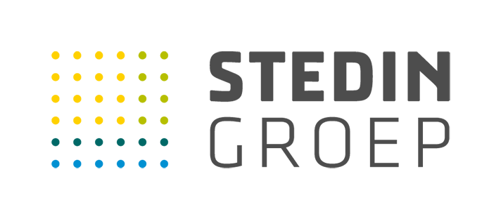

Version
2026-03-17

Goal of the template
Dear supplier, You hereby receive the raw material passport from the Dutch network operators Alliander, Enexis and Stedin. We will ask suppliers to complete a raw materials passport for our assets, such as installations, cables and pipes. This passport provides insight into the raw materials and materials the product consists of, how much recycled/secondary (biobased) material it contains and to what extent the product can be recycled at the end of its life. The results will be used to increase insight into the degree of circularity and will be translated into Circular Purching Indicators, which will be published in the Annual Reports of the network operators. The passport is also used to identify possibilities for making grid components more sustainable, thus forming a foundation for relevant product development programs. Finally, the passport provides information necessary for reporting according to the EU CSRD regulation. All network operators will make specific agreements with their suppliers about data use and privacy. On the following tabs you will find an explanation of how we have defined circularity, how we have translated this into this raw materials passport, and the input sheets where the data for the asset in question can be entered. We sincerely thank you for the collaboration; let’s move towards a sustainable and circular infrastructure sector together!

